Contents
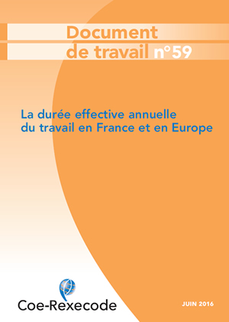
 | Actual annual working time in countries of the European Union (1998-2015)

 | Annexe to the working paper N.59 (june 2016)

 | Full time employees

 | Part time employees

 | All salaried employees

 | Full-time non-salaried workers

 | Source Eurostat, «Labour Force Survey »

Working Document (in french) available online on www.coe-rexecodefr

Summary in english available online on :

www.coe-rexecode.fr/public/Liens-en-tete/English-section

